Sheet1
 | MEDIA #SOLD |  |  |  | TOP
Color | Gel | Powder | Acrylic | Oil | 1 | 84
Blue-Gray | 30 | 0 | 12 | 12 | 2 | 84
Bronze | 84 | 11 | 18 | 10 | 3 | 80
Charcoal | 45 | 10 | 62 | 80 | 4 | 76
Eggshell | 30 | 18 | 19 | 38 | 5 | 72
Espresso | 55 |  |  | 6 | BOTTOM
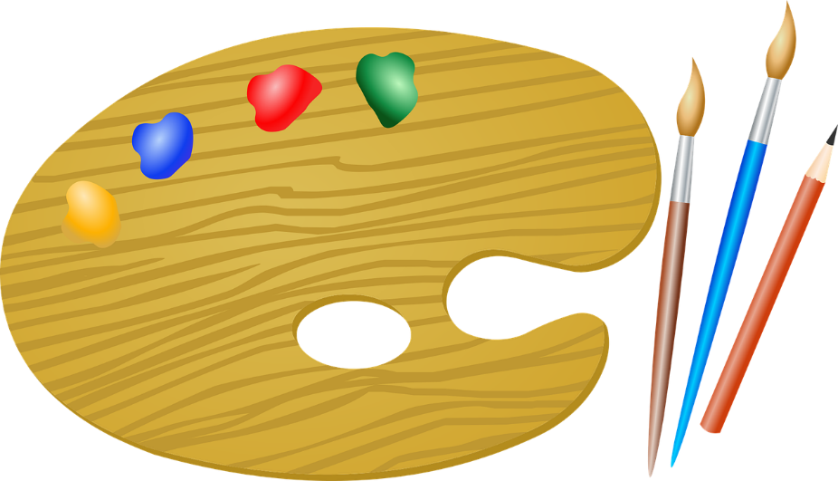
Gold Red | 24 | 39 | 76 | 13 | 1 | -3
Indigo | 6 | 45 | 63 | 22 | 2 | 0
Lime Green | 56 | 19 | 67 | 2 | 3 | 1
Mold Blue | 1 | -3 | 5 | 84 | 4 | 2
Platinum | 72 | 37 | 50 | 67 | 5 | 5
Teal | 26 | 10 |  | 33

